Sheet1
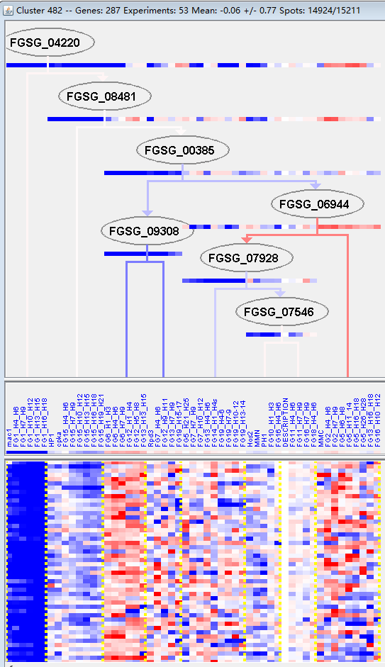
k | Filter | FUNCTIONAL CATEGORY | abs SET | rel SET | genes SET | abs GENOME | rel GENOME | rel SET/rel GENOME | P-VALUE | Bonferroni_corr | FDR
01.02.07.01 regulation of nitrogen metabolism | 3 | 1.27 | FGSG_04666 FGSG_03611 FGSG_09279 | 37 | 0.26 | 4.8846153846 | 0.024907553009
01.05.11 aromate metabolism | 6 | 2.54 | FGSG_00092 FGSG_12355 FGSG_03605 FGSG_02887 FGSG_04720 FGSG_06465 | 87 | 0.62 | 4.0967741935 | 0.0037081265433
01.20.09 metabolism of derivatives of intermediates of the TCA and glyoxylate pathway | 1 | 0.42 | FGSG_04728 | 1 | 0 | 0 | 0.017069289744
01.20.23 metabolism of secondary products derived from L-methionine | 1 | 0.42 | FGSG_13587 | 2 | 0.01 | 42 | 0.033848432429
10.01.05.03 DNA recombination | 5 | 2.11 | FGSG_01132 FGSG_01545 FGSG_12034 FGSG_02727 FGSG_04154 | 113 | 0.81 | 2.6049382716 | 0.044264117429
10.01.05.03.01 meiotic recombination | 3 | 1.27 | FGSG_01132 FGSG_12034 FGSG_02727 | 29 | 0.2 | 6.35 | 0.012935607152
30.05.02.24 G-protein coupled receptor signalling pathway | 3 | 1.27 | FGSG_02748 FGSG_03023 FGSG_11022 | 38 | 0.27 | 4.7037037037 | 0.026710378519
34.03.03 regulation, generation and propagation of action potential | 2 | 0.84 | FGSG_01711 FGSG_13655 | 19 | 0.13 | 6.4615384615 | 0.040997999276
99 UNCLASSIFIED PROTEINS | 145 | 61.4 | FGSG_00019 FGSG_00025 FGSG_00027 FGSG_00055 FGSG_00064 FGSG_00119 FGSG_00147 FGSG_00214 FGSG_00235 FGSG_00246 FGSG_00247 FGSG_00262 FGSG_00274 FGSG_00419 FGSG_00487 FGSG_00937 FGSG_01525 FGSG_01529 FGSG_01664 FGSG_01669 FGSG_01796 FGSG_01942 FGSG_02103 FGSG_02184 FGSG_02268 FGSG_02290 FGSG_02365 FGSG_02398 FGSG_02448 FGSG_12147 FGSG_02557 FGSG_02654 FGSG_12196 FGSG_11524 FGSG_11533 FGSG_11569 FGSG_04650 FGSG_12212 FGSG_12227 FGSG_04519 FGSG_04460 FGSG_04442 FGSG_04383 FGSG_04376 FGSG_04241 FGSG_04197 FGSG_04100 FGSG_12309 FGSG_04029 FGSG_03848 FGSG_03826 FGSG_03807 FGSG_03699 FGSG_03676 FGSG_03545 FGSG_03528 FGSG_03508 FGSG_03489 FGSG_03392 FGSG_03258 FGSG_03118 FGSG_03098 FGSG_03097 FGSG_02964 FGSG_12549 FGSG_02943 FGSG_12552 FGSG_02834 FGSG_04781 FGSG_12614 FGSG_04801 FGSG_05041 FGSG_05058 FGSG_12681 FGSG_05157 FGSG_05526 FGSG_05716 FGSG_05725 FGSG_12797 FGSG_05752 FGSG_12816 FGSG_05897 FGSG_05991 FGSG_12898 FGSG_06321 FGSG_12911 FGSG_06514 FGSG_06661 FGSG_12989 FGSG_06901 FGSG_13049 FGSG_07140 FGSG_13074 FGSG_13126 FGSG_07575 FGSG_07580 FGSG_07611 FGSG_07615 FGSG_07667 FGSG_13183 FGSG_07676 FGSG_07693 FGSG_07750 FGSG_07812 FGSG_13243 FGSG_13304 FGSG_13382 FGSG_08240 FGSG_13416 FGSG_13417 FGSG_13419 FGSG_08179 FGSG_08152 FGSG_08147 FGSG_08954 FGSG_13504 FGSG_09071 FGSG_09073 FGSG_09123 FGSG_09160 FGSG_09173 FGSG_13526 FGSG_09224 FGSG_09636 FGSG_09670 FGSG_09743 FGSG_13654 FGSG_09868 FGSG_10127 FGSG_10349 FGSG_10456 FGSG_13800 FGSG_11238 FGSG_11206 FGSG_11000 FGSG_10984 FGSG_10977 FGSG_13882 FGSG_13945 FGSG_11410 FGSG_11350 FGSG_11349 FGSG_11321 FGSG_11290 FGSG_13997 | 7238 | 52.3 | 1.1739961759 | 0.0028253669439

01.02.07.01氮代谢调控
01.05.11 芳香基新陈代谢
01.20.09 TCA和糖基酸通路中间产物的代谢
01.20.23 l -蛋氨酸衍生产物的代谢
10.01.05.03 DNA重组
10.01.05.03.01减数分裂重组
30.05.02.24 g -蛋白偶联受体信号通路
34.03.03动作电位的产生和传播
99未分类的蛋白质

